W+B N69213
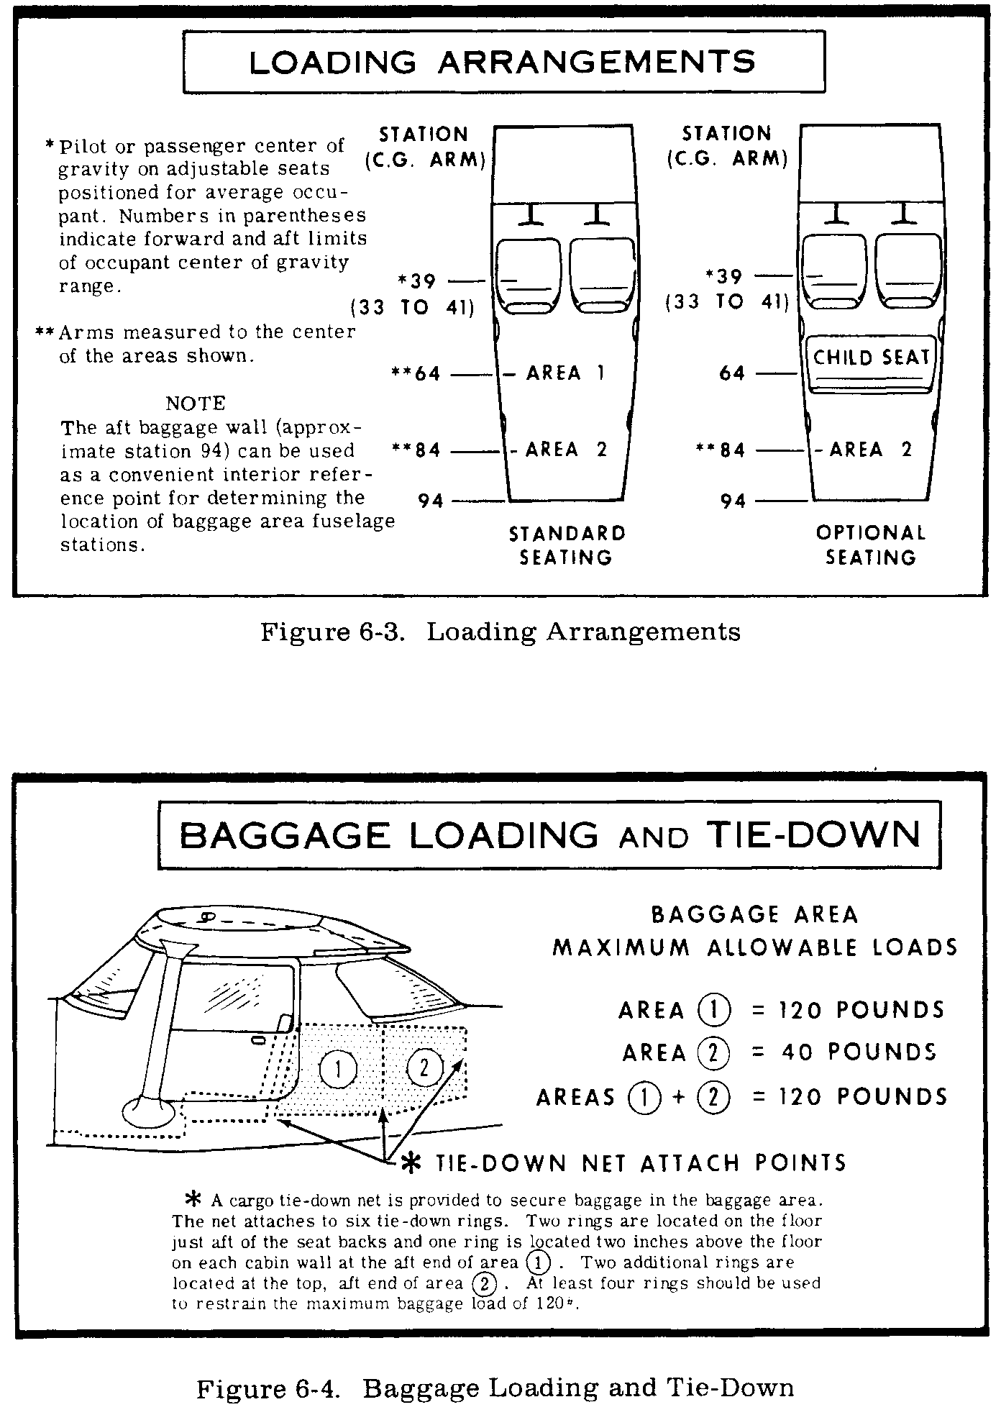
 |  |  |  |  | .

TAKEOFF CONDITION |  | Weight | ARM | Moment
Basic empty |  | 1188.9 | 29.78 | 35,414
Fuel |  |  |  |  |  | Fuel Flow | Endurance
-gallons of fuel | 17.8 |  |  |  |  | 6 | 3.0
-Less taxi/runup usage | 0.8
-lbs per gallon | 6 | 102 | 42.0 | 4,284

Pilot and Passenger |  | 365 | 39.0 | 14,235
Baggage area 1 120 MAX |  | 7 | 64.0 | 448
Baggage area 2 40 MAX |  | 0 | 84.0 | 0
1+2 TOTAL MAX 120 |  | 7
-Total people and baggage | 372 |  |  | 0

1670 MGTW |  | 1,670 | 32.57 | 54
CHECK FWD CG LIMIT FOR T/O |  | Takeoff Wt. | CG | Mom./1000

